Payroll report example
 |  |  | FOR ESTIMATING PURPOSES ONLY-UPDATED 4/16/2020- SUBJECT TO FURTHER GUIDANCE EXPECTED LATE APRIL

Connectpay: |  | "Payroll Journal Report"

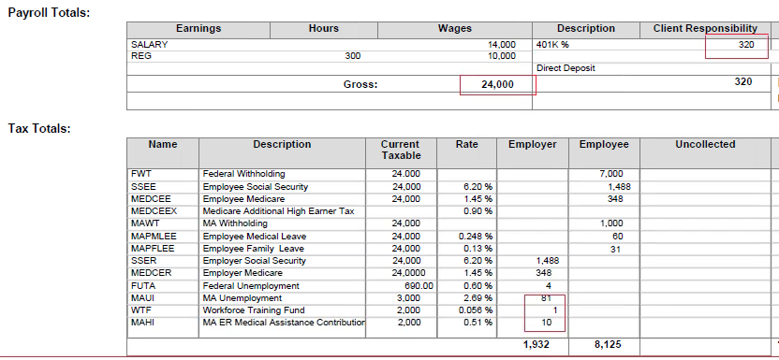

ADP: | "Payroll Details"

